Screenshot
Defect ID | Defect Title | Module | Screenshot
DEF_01 | Email validation missing | Basic Controls | 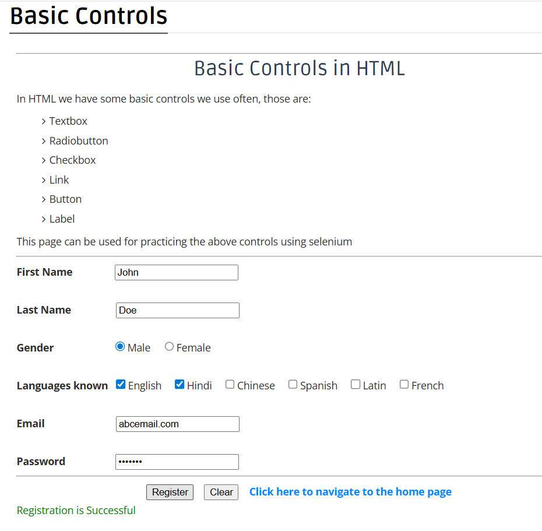
DEF_02 | Clear button not resetting checkboxes | Basic Controls | 